Sheet1
FasTracKids Product Order Form-send form to shipping@fastrackids.com
Items | Description | Price per pack | Subject/Size/Color | Quantity | Total Cost
 | Lesson Buttons for Each Subject | 5 of one subject per package, $1.25 | Biology, Speech Drama Art, Mathematics, Creativity, Creative Literature, Natural Science, Economics, Communication, Earth Science, Technology & How Things Work, Astronomy, Goals & Life Lessons (identify subject) |  | $-
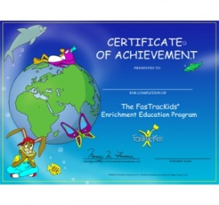 | Graduation Certificate | $3.75 for 5 per package |  |  | $-
 | Blue Pocket Folders w/ Raised FTK Logo | Package of 5 for $2.50 |  |  | $-
 | FasTrack Camps Stickers | Pack of 10 for $2.00 | Indicate which Camp and how many packs: Anatomy of Me, Destination Constellation, Ready Set Travel I, Ready Set Travel II, Young Scientists Old Bones |  | $-
 | Youth FasTrack English Polo | $3.00 each | Limited Colors and Sizes Colors - Yellow, Blue, Red; Sizes - Small, Medium, Large |  | $-
 | 6" WOODEN RULER | Mixed set of 10, $1.00 per pack | Mixed Set of 10 |  | $-
 | Student Folders | $5.00 for 5 folders per package |  |  | $-
 | Slinky | $12.00 for 5 per package |  |  | $-
 | Balloons | $10.00 for 100 per package |  |  | $-
 |  |  | Total Cost before Shipping |  | $-
Shipping Fee will be given to you before Total Cost is charged and shipped
Payment will be made by: |  |  | Credit on file, bank transfer, or new card
Name: |  |  | (Choose one)
Shipping Address:

